Summary
 |  |  |  | Bank Al-Habib Limited

HVAC & Fire Fighting Work |  |  |  | 16-Feb-23
22nd & 23rd Floor Centerpoint Karachi
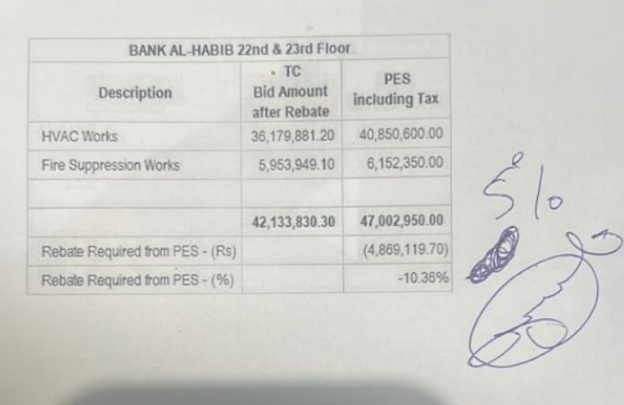

SUMMARY OF BILL OF QUANTITIES

S.No | Description | Material | Labour | Amount
1 | HVAC 22nd Floor | 18,018,983 | 1,675,088 | 19,694,070
2 | HVAC 23rd Floor | 17,548,495 | 1,565,505 | 19,114,000
 | Total Amount HVAC |  |  | 38,808,070

3 | Fire Fighting 22nd Floor | 2,669,833 | 457,900 | 3,127,733
4 | Fire Fighting 23rd Floor | 2,310,400 | 406,600 | 2,717,000
 | Total Amount Fire Fighting |  |  | 5,844,733

 | Grand Total Amount | 40,547,710 | 4,105,093 | 44,652,803

 |  |  |  | 8,930,560.50 |  | 1,444,769
 |  |  | 47,002,950 |  |  | Cash margin will be refund
 |  |  | 2,350,147.50
 |  |  | 44,652,802.50

 |  |  |  | 7,485,791

 |  |  |  |  |  | 31,455,571
 |  |  |  |  | Ret 5% | 1,572,779
 |  |  |  |  | Mob 20% | 6,291,114

 |  |  |  |  |  | 23,591,678
 |  |  |  | 41,717,540 | Tax 8% | 1,887,334
 |  |  |  | 39,510,840 |  | 21,704,344
 |  |  |  | 40,000,000
 |  |  | rebate 5.65% | 2,268,000
 |  |  |  | 37,732,000
 |  |  | Retention 5% | 1,886,600
 |  |  |  | 35,845,400

